Newsvendor
 |  |  | q
 |  |  | 33780 |  | 17703.944
max
≥
≥
Average | 50.5 | 30487.62 | 26451.144 | 30402 | 25274.832
 | i | d_i | -0.3q+1.2*d_i | -0.3q+1.2*q | z_i | F_D(d_i)=i/n
 | 1 | 16238 | 9351.6 | 30402 | 9351.6 | 0.01
 | 2 | 19934 | 13786.8 | 30402 | 13786.8 | 0.02
 | 3 | 20224 | 14134.8 | 30402 | 14134.8 | 0.03
 | 4 | 21103 | 15189.6 | 30402 | 15189.6 | 0.04
 | 5 | 21510 | 15678 | 30402 | 15678 | 0.05
 | 6 | 21625 | 15816 | 30402 | 15816 | 0.06
 | 7 | 21698 | 15903.6 | 30402 | 15903.6 | 0.07
 | 8 | 22204 | 16510.8 | 30402 | 16510.8 | 0.08
 | 9 | 22513 | 16881.6 | 30402 | 16881.6 | 0.09
 | 10 | 22623 | 17013.6 | 30402 | 17013.6 | 0.1
 | 11 | 23014 | 17482.8 | 30402 | 17482.8 | 0.11
 | 12 | 23534 | 18106.8 | 30402 | 18106.8 | 0.12
 | 13 | 23761 | 18379.2 | 30402 | 18379.2 | 0.13
 | 14 | 23785 | 18408 | 30402 | 18408 | 0.14
 | 15 | 24143 | 18837.6 | 30402 | 18837.6 | 0.15
 | 16 | 24319 | 19048.8 | 30402 | 19048.8 | 0.16
Demand (histogram)
 | 17 | 24639 | 19432.8 | 30402 | 19432.8 | 0.17
 | 18 | 25032 | 19904.4 | 30402 | 19904.4 | 0.18
 | 19 | 25163 | 20061.6 | 30402 | 20061.6 | 0.19
 | 20 | 25664 | 20662.8 | 30402 | 20662.8 | 0.2
 | 21 | 25854 | 20890.8 | 30402 | 20890.8 | 0.21
 | 22 | 26358 | 21495.6 | 30402 | 21495.6 | 0.22
 | 23 | 26706 | 21913.2 | 30402 | 21913.2 | 0.23
Demand CDF F_D(d)
 | 24 | 26755 | 21972 | 30402 | 21972 | 0.24
 | 25 | 26906 | 22153.2 | 30402 | 22153.2 | 0.25
 | 26 | 26953 | 22209.6 | 30402 | 22209.6 | 0.26
 | 27 | 27617 | 23006.4 | 30402 | 23006.4 | 0.27
 | 28 | 27739 | 23152.8 | 30402 | 23152.8 | 0.28
 | 29 | 27783 | 23205.6 | 30402 | 23205.6 | 0.29
 | 30 | 27921 | 23371.2 | 30402 | 23371.2 | 0.3
 | 31 | 28005 | 23472 | 30402 | 23472 | 0.31
 | 32 | 28103 | 23589.6 | 30402 | 23589.6 | 0.32
 | 33 | 28204 | 23710.8 | 30402 | 23710.8 | 0.33
 | 34 | 28402 | 23948.4 | 30402 | 23948.4 | 0.34
 | 35 | 28476 | 24037.2 | 30402 | 24037.2 | 0.35
 | 36 | 28570 | 24150 | 30402 | 24150 | 0.36
 | 37 | 28684 | 24286.8 | 30402 | 24286.8 | 0.37
 | 38 | 28696 | 24301.2 | 30402 | 24301.2 | 0.38
 | 39 | 28921 | 24571.2 | 30402 | 24571.2 | 0.39
 | 40 | 28941 | 24595.2 | 30402 | 24595.2 | 0.4
 | 41 | 28984 | 24646.8 | 30402 | 24646.8 | 0.41
 | 42 | 29252 | 24968.4 | 30402 | 24968.4 | 0.42
 | 43 | 29305 | 25032 | 30402 | 25032 | 0.43
 | 44 | 29317 | 25046.4 | 30402 | 25046.4 | 0.44
 | 45 | 29391 | 25135.2 | 30402 | 25135.2 | 0.45
 | 46 | 29422 | 25172.4 | 30402 | 25172.4 | 0.46
 | 47 | 29468 | 25227.6 | 30402 | 25227.6 | 0.47
 | 48 | 29594 | 25378.8 | 30402 | 25378.8 | 0.48
 | 49 | 29727 | 25538.4 | 30402 | 25538.4 | 0.49
 | 50 | 29901 | 25747.2 | 30402 | 25747.2 | 0.5
 | 51 | 30018 | 25887.6 | 30402 | 25887.6 | 0.51
 | 52 | 30225 | 26136 | 30402 | 26136 | 0.52
 | 53 | 30344 | 26278.8 | 30402 | 26278.8 | 0.53
 | 54 | 30537 | 26510.4 | 30402 | 26510.4 | 0.54
 | 55 | 30843 | 26877.6 | 30402 | 26877.6 | 0.55
 | 56 | 31049 | 27124.8 | 30402 | 27124.8 | 0.56
 | 57 | 31062 | 27140.4 | 30402 | 27140.4 | 0.57
 | 58 | 31261 | 27379.2 | 30402 | 27379.2 | 0.58
 | 59 | 31534 | 27706.8 | 30402 | 27706.8 | 0.59
 | 60 | 31641 | 27835.2 | 30402 | 27835.2 | 0.6
 | 61 | 32065 | 28344 | 30402 | 28344 | 0.61
 | 62 | 32221 | 28531.2 | 30402 | 28531.2 | 0.62
 | 63 | 32290 | 28614 | 30402 | 28614 | 0.63
 | 64 | 32602 | 28988.4 | 30402 | 28988.4 | 0.64
 | 65 | 32908 | 29355.6 | 30402 | 29355.6 | 0.65
 | 66 | 33056 | 29533.2 | 30402 | 29533.2 | 0.66
 | 67 | 33125 | 29616 | 30402 | 29616 | 0.67
 | 68 | 33168 | 29667.6 | 30402 | 29667.6 | 0.68
 | 69 | 33186 | 29689.2 | 30402 | 29689.2 | 0.69
 | 70 | 33216 | 29725.2 | 30402 | 29725.2 | 0.7
 | 71 | 33228 | 29739.6 | 30402 | 29739.6 | 0.71
 | 72 | 33253 | 29769.6 | 30402 | 29769.6 | 0.72
 | 73 | 33279 | 29800.8 | 30402 | 29800.8 | 0.73
 | 74 | 33714 | 30322.8 | 30402 | 30322.8 | 0.74
 | 75 | 33730 | 30342 | 30402 | 30342 | 0.75
 | 76 | 33780 | 30402 | 30402 | 30402 | 0.76
 | 77 | 33837 | 30470.4 | 30402 | 30402 | 0.77
 | 78 | 34548 | 31323.6 | 30402 | 30402 | 0.78
 | 79 | 34633 | 31425.6 | 30402 | 30402 | 0.79
 | 80 | 35174 | 32074.8 | 30402 | 30402 | 0.8
 | 81 | 35636 | 32629.2 | 30402 | 30402 | 0.81
 | 82 | 35900 | 32946 | 30402 | 30402 | 0.82
 | 83 | 35959 | 33016.8 | 30402 | 30402 | 0.83
 | 84 | 35965 | 33024 | 30402 | 30402 | 0.84
 | 85 | 36054 | 33130.8 | 30402 | 30402 | 0.85
 | 86 | 36471 | 33631.2 | 30402 | 30402 | 0.86
 | 87 | 36483 | 33645.6 | 30402 | 30402 | 0.87
 | 88 | 36706 | 33913.2 | 30402 | 30402 | 0.88
 | 89 | 36847 | 34082.4 | 30402 | 30402 | 0.89
 | 90 | 37039 | 34312.8 | 30402 | 30402 | 0.9
 | 91 | 37098 | 34383.6 | 30402 | 30402 | 0.91
 | 92 | 37808 | 35235.6 | 30402 | 30402 | 0.92
 | 93 | 38527 | 36098.4 | 30402 | 30402 | 0.93
 | 94 | 38708 | 36315.6 | 30402 | 30402 | 0.94
 | 95 | 38818 | 36447.6 | 30402 | 30402 | 0.95
 | 96 | 39294 | 37018.8 | 30402 | 30402 | 0.96
 | 97 | 40663 | 38661.6 | 30402 | 30402 | 0.97
 | 98 | 43427 | 41978.4 | 30402 | 30402 | 0.98
 | 99 | 45948 | 45003.6 | 30402 | 30402 | 0.99
 | 100 | 47203 | 46509.6 | 30402 | 30402 | 1

TV-ads
max
 |  |  |  |  |  | Weighted value
 |  |  | f_i | v_i(f_i) | w_i |  | v(x)
HIM (i=1) | 7 | 4 | 33 | 0.6671289163 | 0.5 | 0.33 | 0.61
HIW (i=2) | 3 | 5 | 24 | 0.55067103588 | 0.5 | 0.28

i
i
 | Football | Soap Opera
dec.var | 3 | 3

≥
≤
low.bnd. | 0 | 0
up. bnd. | 11 | 11
 |  |  | Tot.cost |  | Budget
≤
Costs | 100 | 90 | 570 | <= | 600

Scenario portfolio
...
For Solver we want to express all constraints in one row
...
1200 | 50 | 0 | 0 | 1 | 1
<= | <= | <= | <= | <= | <=
1074 | 61 | 0 | 0 | 2 | 0
Cost | HR | A1-A3 | A4 | A7 | B5
44 | 5 | 1
31 | 5 | 1
30 | 6 | 1
80 | 0 | -3
Refresh the file to update changes in yellow cells
79 | 6 |  | -1
85 | 6 |  | 1
142 | 2
121 | 2
132 | 6 |  |  | 1
111 | 8 |  |  | 1
87 | 6
132 | 9
117 | 8
96 | 6
145 | 8 |  |  |  |  | 2702.7027027 | 1500
101 | 2 |  |  |  |  |  | 1000
98 | 2 |  |  |  |  |  | 1164
182 | 4 |  |  |  |  |  | 910
183 | 6
224 | 2
...

Fixed charge
 |  | MINIMIZE
D | E | TOTAL
7500 | 15000 | COST
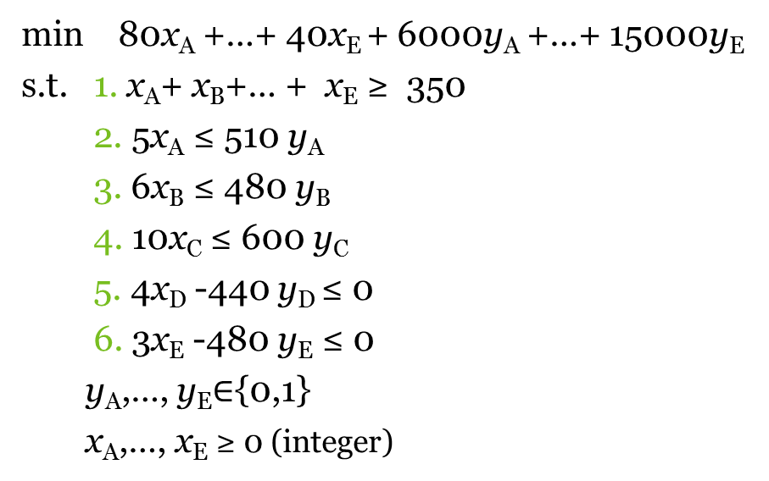
75 | 40 | 49550

1 | 1 | Units produced total |  | minimum
110 | 160 | 350 | >= | 350

4 | 3
440 | 480 | Legend
<= | <= | Parameters
440 | 480 | Decision variables
440 | 480 | Formulas

